Bug 1.1
Bug name: | Password is not hidden with dots
Description: | When user enters the password in the field "Password", characters in the field "password" are not hidden by dots / Password is not secured.
Steps to reproduce:
1 | Naivgate to: | http://165.22.185.41/
2 | Enter valid email in the field "email"
3 | Enter password in the field "password"
4 | Check that password is hidden with dots and secured

Expected result: | Characters inserted in the field "password" appear as dots
Actual result: | Characters in the field "password" are visible and not hidden by dots

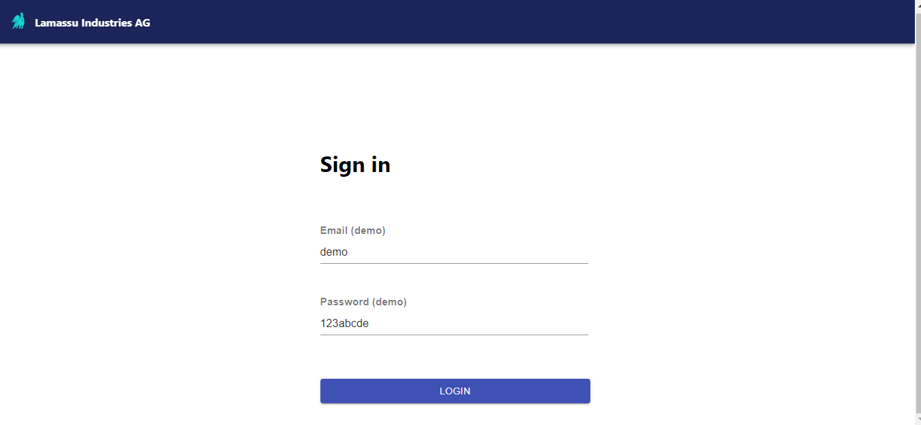
Screenshot:

Bug 1.2
Bug name: | User is able to log in when the field "password" has been left empty
Description: | When user enters do not any character in the field "Password" and click "LOGIN" button, "Retirement Calculator" page appears. User is logged in.
Steps to reproduce:
1 | Navigate to: | http://165.22.185.41/
2 | Enter valid email in the field "email"
3 | Leave the field "password" empty
4 | Click on the "LOGIN" button

Expected result: | User is unable to log in if the field "password" has been left empty; Error message appears below the field "password": Password is required
Actual result: | User is able to log in when the field "password" has been left empty. "Retirement Calculator" page appears, user is logged in and able to use "Retirement Calculator".

Screenshot:
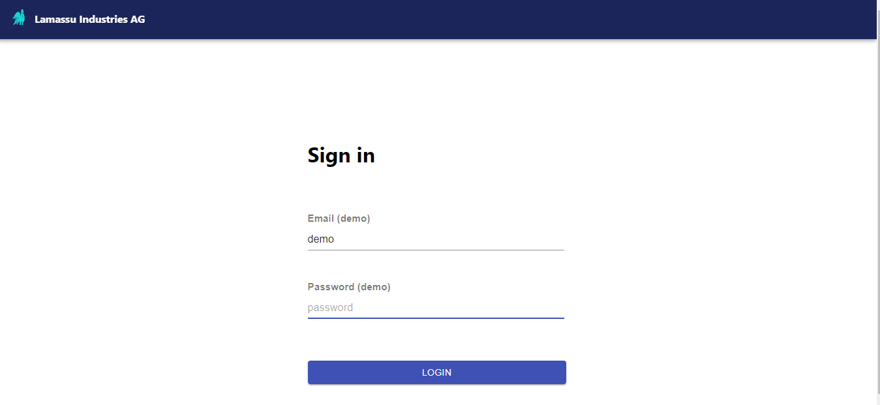
1

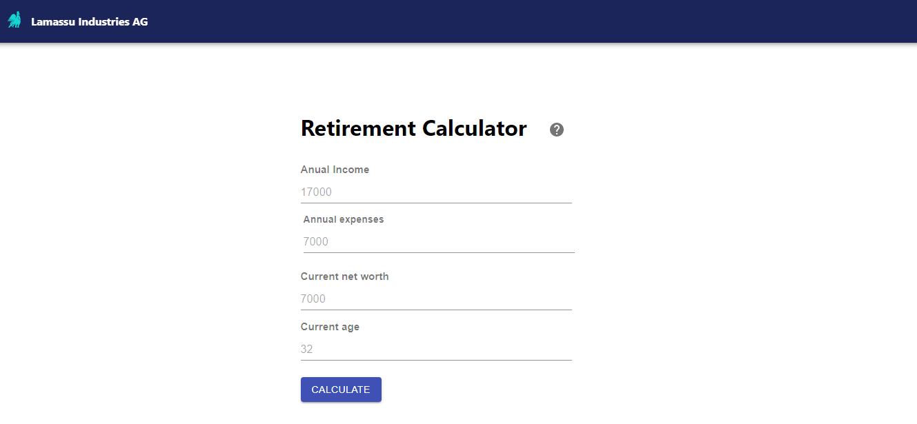
2

Bug 2.1
Bug name: | Error message does not shows up
Description: | When user leaves "Annual expenses" field empty and click on the calculate button there is no error message below that field to shows up.
Steps to reproduce:
1 | Navigate to: | http://165.22.185.41/
2 | Login with valid credentials
3 | Insert valid value in the field "Anual income"
4 | Leave "Annual expenses" field empty
5 | Insert valid value in the field "Current net worth"
6 | Insert valid value in the field "Current age"
7 | Click on the button "Calculate"

Expected result: | Error message shows up after "Annual expenses" field has been left and empty and "Calculate" button has been clicked.
Actual result: | There is no error message below "Annual expenses" field after user clicked on the calculate button.

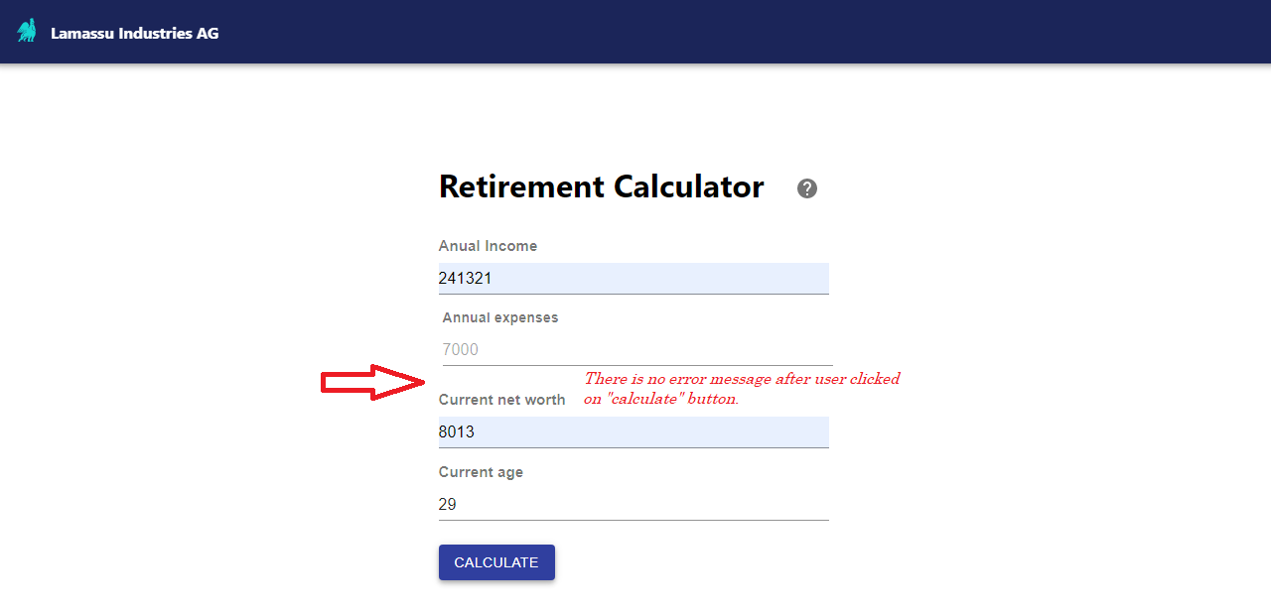
Screenshot:

Bug 2.2
Bug name: | User does not stay on the same page after refresihg the page
Description: | After user has been logged in and on the new-opend page "Retirement Calculator" refresh button has been clicked, "Log in" page has showed up instead of the "Retirement Calculator" page.
Steps to reproduce:
1 | Navigate to: | http://165.22.185.41/
2 | Login with valid credentials
3 | Insert valid value in the field "Anual income"
4 | Insert valid value in the field "Annual expenses"
5 | Insert valid value in the field "Current net worth"
6 | Insert valid value in the field "Current age"
7 | Click on the button "Calculate"
8 | Click on the "Refresh" button

Expected result: | User stays on the same page "Retirement Calculator" after page has been refreshed.
Actual result: | After "Retirement Calculator" after page has been refreshed, user has been redirected to the "Log in" page.

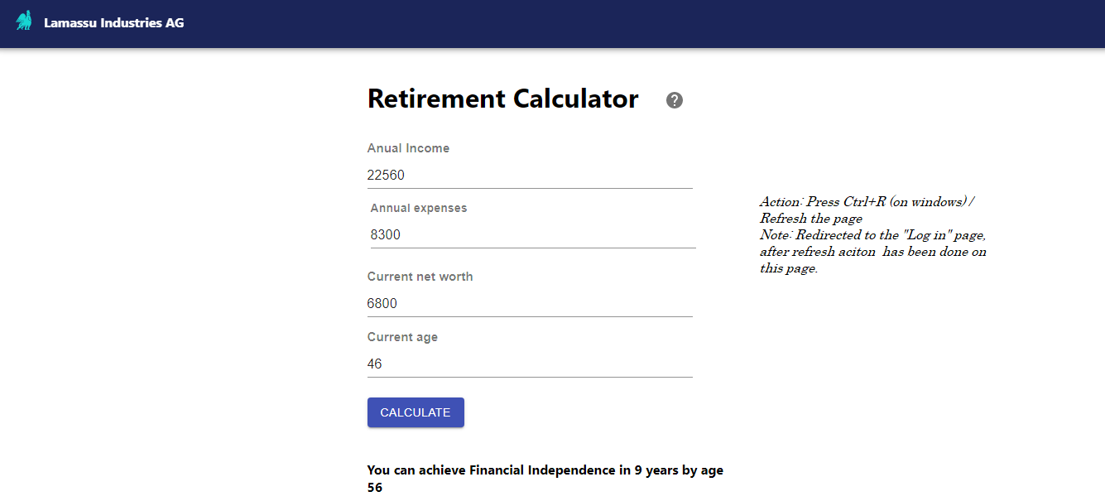
Screenshots:
1

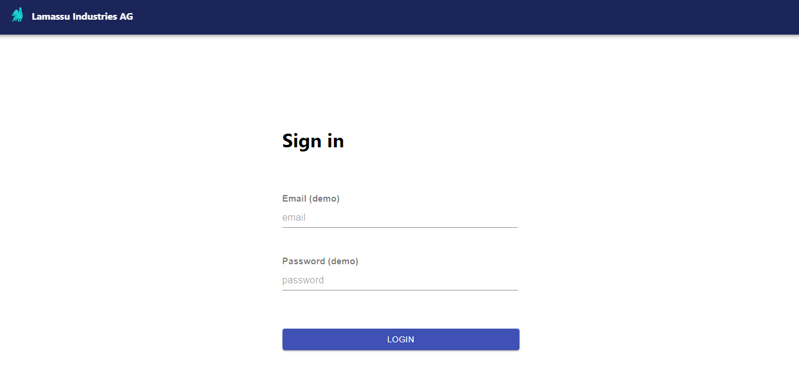
2

